INSTRUCTIONS
Form as of: 20240806
Sheet3 | Final Molecular Weight Verification for Publication - Exact Mass Determination
1. Fill out SHEET 3 in its entirety to describe the samples being submitted. Refer to the template below. Incomplete submission forms will delay your analysis.
2. Upload this file as an attachment with your MS Submission Request Form.
3. Print a copy of SHEET 3
4. Print out this submitted Excel Submission Sheet in addition to the PDF that will be sent in the link section (named "MS Sample Submission.pdf") at the end of the confirmation email. Please follow that link, print out the PDF and submit the printed form and this Excel Submission Sheet with your sample.

Sheet1, Sheet3, and Sheet5 requires chemical structures.

 |  | EXAMPLE TEMPLATE
 |  | ## Sample Number | Sample ID | Formula | Molecular Weight | Compound name | Description | Solvent | Salts/Buffers/Acids/Bases? | Structure
 |  | # Sample Number | Sample ID | Formula | Molecular Weight | Cpd | Concentration | Solvent | Salts/Buffers/Acids/Bases? | Structure
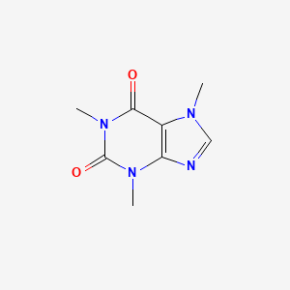
 |  | 1 | Caffeine | C8H10N4O2 | 194.0803756 | Caffeine | 20 uM | 10% acetonitrile/90%water

